OMAS
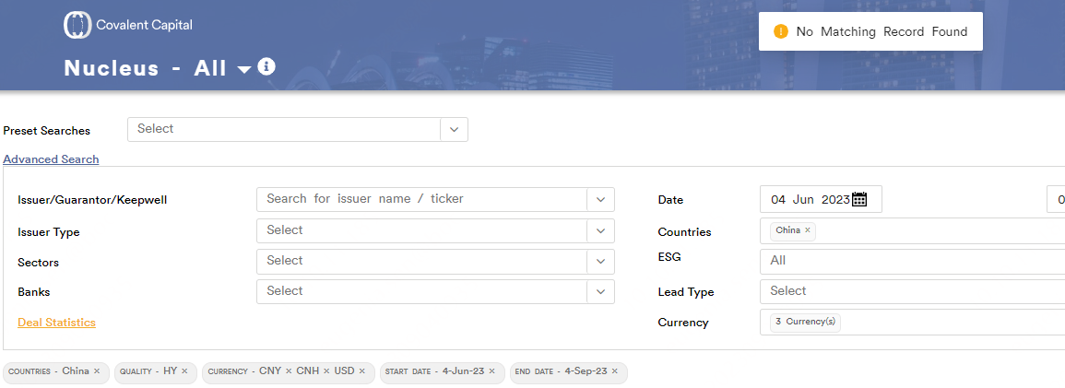
过往3个月新发交易簿记情况 | bps
Start Date | 2023-06-04
End Date | 2023-09-04 | 总平均收窄幅度：
投资级 | 34
无评级 | 16
总平均收窄幅度 | 25

 |  | 无评级平均收窄幅度：

 |  | 投资级平均收窄幅度：

 |  | 高收益平均收窄幅度：

